Hiearchy View
Class: HAND DRYER
an electrical device, typically in a public restroom, for drying a person's hands by blowing warm air over them | 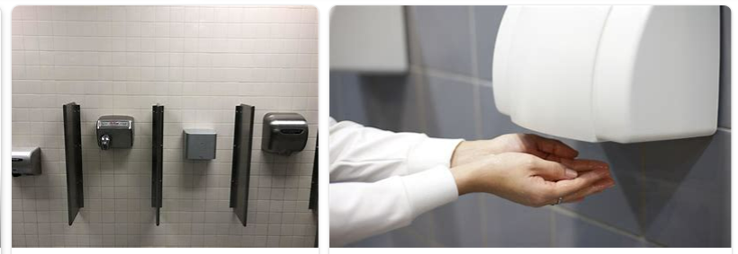
REMOVE | N

PROBLEM_DESC | CAUSE_DESC | REMEDY_DESC
ALARM/SENSOR
BROKEN/DAMAGED
LEAKING
LIGHTING
NOISE
OTHER PROBLEM
OVERHEATING
PESTS
POWER-ELEC
PRESSURE
SMELL
STOPPED/SLOWED/POOR OPS
TEMP-CTRL
VIBRATION
Grand Total

